Outlet
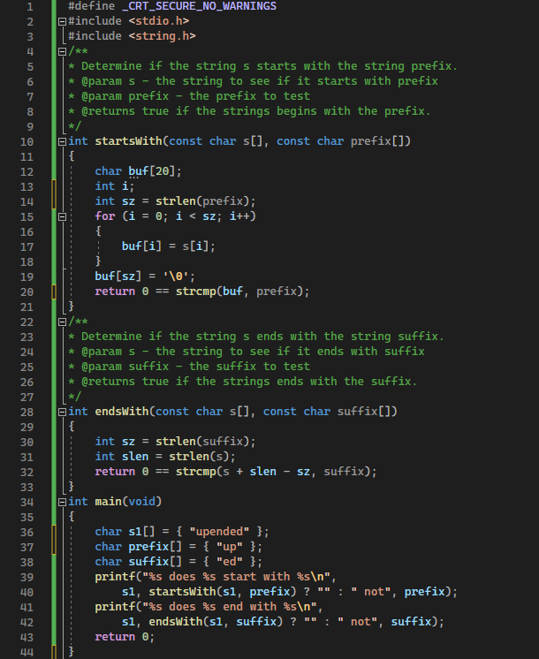
WEEK-1
Student Name | Student Number | Section
Rong-Yuan, Wen | 114556228 | NCC

Overall
Total of tests | 12
Total of bugs | 5 | Test # 6,8,9,10,11
Total of refections | 2

Orignal Code

Bugs fixing-1
Bugs fixing - 1
Original Line(s) | 12~20
Original Code | char buf[20]; int i; int sz = strlen(prefix); for (i = 0; i < sz; i++) { buf[i] = s[i]; } buf[sz] = '\0'; return 0 == strcmp(buf, prefix); | 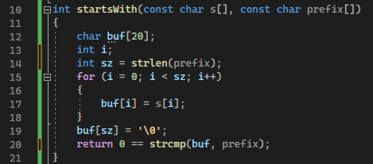
Modifiy Code | int i, validation = 1; int sz; if (s[0] == '\0' && prefix[0] == '\0') { validation = 1; } else if (s[0] != '\0' && prefix[0] == '\0') { validation = 0; } else { sz = strlen(prefix); for (i = 0; i < sz && validation; i++) { if (s[i] != prefix[i]) { validation = 0; } } } return validation; | 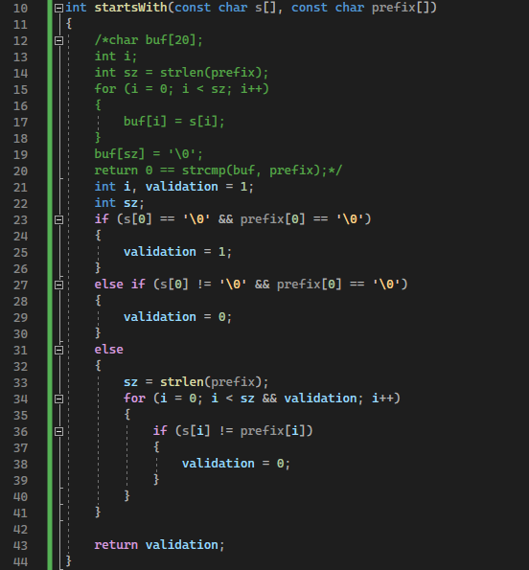
Explainations | Orignal code didn't consider if the prifix string is NULL or empty, so I put the some conditions to make sure excusive prifix string is NULL or empty. In the for loop, add the a condition to check if s string is no longer equal prefix string then jump out the loop.
Fixed bugs | #1, #2, #4
Fixed tests | Test-6, Test-7, Test-10

Bugs fixing-2
Bugs fixing - 2
Original Line(s) | 30~32
Original Code | int sz = strlen(suffix); int slen = strlen(s); return 0 == strcmp(s + slen - sz, suffix);
Modifiy Code | int sz, slen; int validation = 1; if (s[0] == '\0' && suffix[0] == '\0') { validation = 1; } else if (s[0] != '\0' && suffix[0] == '\0') { validation = 0; } else if (s[0] == '\0' && suffix[0] != '\0') { validation = 0; } else { sz = strlen(suffix); slen = strlen(s); validation = !strcmp(s + slen - sz, suffix); } return validation; | 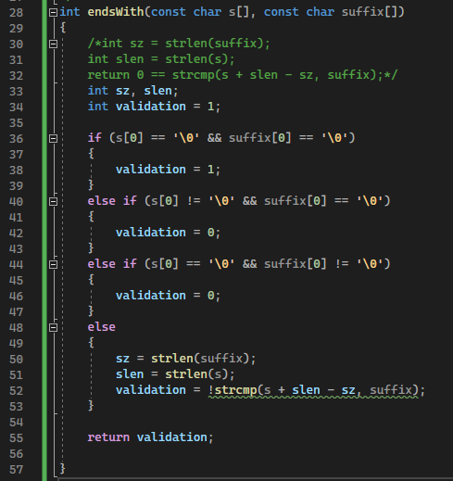
Explainations | Similar with previous, also make sure that the strlen function will not get "NULL" in it.
Fixed bugs | #3, #5
Fixed tests | Test-8, Test-11

